GIRD-BEM2
Design of Built-up Welded (Compact/Non-Compact) Steel I sections

Section Dimensions |  | Flanges |  |  | Web |  |  |  | GIRD-BEM2 |  | Hint:
 |  | tf= | 1.5 | cm | tw= | 2 | cm |  |  |  | 1st trial Sx=Mu/(.75*Fy)= |  | 3478.74
 |  | b= | 30 | cm | hw= | 80 | cm |  | Length (cm) | 1200 | Section Properties
M-B-MEZ-2
 |  |  |  |  |  |  |  |  |  |  | Ix | 234800.83333 | cm4
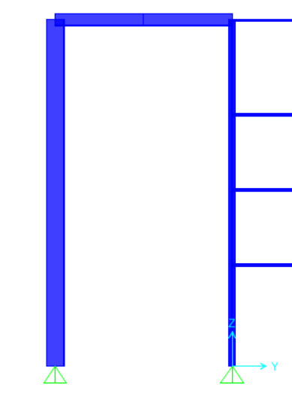
Material: |  |  |  | Geometry: |  |  |  |  |  |  | Iy | 6803.3333333 | cm4
Steel Grade | St.37 |  |  | Lb= | 600 | cm |  |  |  |  | rx= | 30.65 | cm
 |  |  |  | Cb= | 1.130 |  |  |  |  |  | ry= | 5.22 | cm
Straining Actions: |  |  |  | Lbx= | 1200 | cm |  |  |  |  | A= | 250.00 | cm2
Mux= | 62.62 | t.m |  | Lby= | 600 | cm |  |  |  |  | Aw= | 166.00 | cm2
 |  |  |  | L= | 1200 | cm |  |  |  |  | Sx= | 5657.85 | cm3
Qu= | -12.134 | t |  | Lh= | 1200 | cm |  |  |  |  | Sy= | 453.56 | cm3
Nu= | 0.00 | t |  |  |  |  |  |  |  |  | Zx= | 6890.00 | cm3
Tu= | 6.3505 | t |  |  |  |  |  |  |  |  | Zy= | 755.00 | cm3
 |  |  |  |  |  |  |  |  |  |  | rt= | 6.87 | cm
Flexure
(1) Local Buckling |  | Compact Flange |  | Compact Web |  | Compact Section |  |  |  |  | Mateial Properties
 |  |  |  |  |  |  |  |  |  |  | Fy= | 2.4 | t/cm2
(2) LTB |  |  |  |  |  |  |  |  |  |  | Fu= | 3.7 | t/cm2
 |  |  |  |  |  |  |  |  |  |  | E= | 2100 | t/cm2
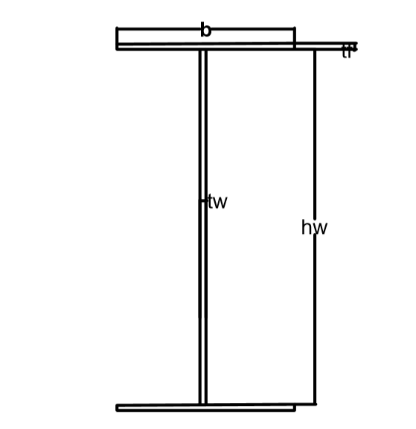
Lp= | 269.386 | cm
Lr= | 907.600 | cm |  | Case B

Mn= | 137.75 | t.m | ≤ | Mp= | 165.36 | t.m
Фb*Mn= | 117.09 | t.m | D/C= | 0.535 | Safe for flexure about major axis

Axial Compression
λx= | 39.156 | ≤ | 180 |  | OK
λy= | 115.017 | ≤ | 180 | OK
λc= | 1.2377
Fcr= | 1.0153 | t/cm2
Pn= | 253.81 | t
Фc*Pn= | 203.05 | t | D/C= | 0.000 | Safe for axial compression

Axial Tension
(1) Stiffnes condition
λ= | 230.033 |  | ≤ | 300 |  | OK
Lh/60= | 20.000 |  | ≤ | h |  | OK

(2) Strenght condition
Pn= | 600.00 | t
Фt*Pn= | 510 | t | D/C= | 0.012 | Safe for yielding at tension

Combined (Normal Force + Flexure) |  |  |  |  |  | Shear Force
M+C | D/C= | 0.535 | Safe for combined M+C |  |  | Vn= | 239.04 | t
M+T | D/C= | 0.541 | Safe for combined M+T |  |  | Фv*Vn= | 203.18 | t
 |  |  |  |  |  | D/C= | -0.060
 |  |  |  |  |  | Safe for Shear

Safe

 | fy | fu
St.37 | 2.4 | 3.7
St.44 | 2.8 | 4.4
St.52 | 3.6 | 5.2

